Old Bridge Focused Fund
Sr no. | Scheme Name | Open / Close Ended | SEBI Category | SEBI Sub Category | Investment Objective | Scheme Inception Date | Benchmark Name - Tier I | Benchmark Name - Tier II | Additional Benchmark Name | Fund Managers | Exit Load | Lock-in period (if any) | Plans | Options and Facilities | Minimum application amount | Month End AUM (Rs.Crs) ^ | Base Expense Ratio as on month end |  | Scheme Portfolio as on month end | Direct Plan - Growth Option |  |  |  |  | Value of investment of Rs. 10,000@ |  |  |  | Regular Plan - Growth Option |  |  |  |  | Value of investment of Rs. 10,000@
1 | Old Bridge Focused Fund | Open | Equity | Focused Fund | The investment objective of the Scheme is to generate long-term capital appreciation by investing in equity and equity related instruments of up to 30 companies across market capitalization (i.e. Mid cap, Small cap, Large cap). Disclaimer: There is no assurance or guarantee that the objectives of the scheme will be realized. | January 24, 2024 | BSE 500 TRI |  | Nifty 50 TRI | Mr. Kenneth Andrade (Managing since inception) and Mr. Tarang Agrawal (Managing since inception) | * If redeemed/switched out within 365 days from the date of allotment- 1% * If redeemed/switched out after 365 days from the date of allotment- NIL | NIL | Regular Plan and Direct Plan | 1) Growth 2) Income Distribution cum Capital Withdrawal (IDCW) Facilities available under IDCW option: a) Payout of Income Distribution cum Capital Withdrawal (IDCW) Facility b) Reinvestment of Income Distribution cum Capital Withdrawal (IDCW) Facility | Fresh Purchase (Incl. Switch-in): Minimum of Rs. 5000/- and in multiple of Rs. 1/- Additional application amount (Incl. Switch-in): Minimum of Rs. 1000/- and in multiple of Rs. 1/- thereafter. Systematic Investment Plan (SIP): Minimum Rs. 2500/- and in multiple of Rs. 1/- thereafter Minimum instalments: 6 | 4,014.88 | Direct Plan | Regular Plan | https://oldbridgemf.com/uploads/Old_Bridge_Focused_Fund_Portfolio_July_26_1729091a89.xlsx | Period | Scheme Returns (%) | Tier 1 - Benchmark # Returns (%) | Tier 2 - Benchmark ## Returns (%) | Additional Benchmark ### Returns (%) | Scheme (Rs.) | Tier 1 - Benchmark # Returns (Rs.) | Tier 2 - Benchmark ## Returns (Rs.) | Additional Benchmark ### Returns (Rs.) | Period | Scheme Returns (%)* | Tier 1 - Benchmark # Returns (%) | Tier 2 - Benchmark ## Returns (%) | Additional Benchmark ### Returns (%) | Scheme (Rs.) | Tier 1 - Benchmark # Returns (Rs.) | Tier 2 - Benchmark ## Returns (Rs.) | Additional Benchmark ### Returns (Rs.)
 |  |  |  |  |  |  |  |  |  |  |  |  |  |  |  |  | 0.74% | 1.63% |  | Last 1 Year | 17.78% | 2.98% | - | -0.43% | 11,778 | 10,298 | - | 9,957 | Last 1 Year | 16.59% | 2.98% | - | -0.43% | 11,659 | 10,298 | - | 9,957
 |  |  |  |  |  |  |  |  |  |  |  |  |  |  |  |  |  |  |  | Since Inception | 13.58% | 8.47% | - | 6.55% | 13,780 | 12,272 | - | 11,731 | Since Inception | 12.39% | 8.47% | - | 6.55% | 13,420 | 12,272 | - | 11,731

 | Past performance may or may not be sustained in future. Different Plans i.e. Regular Plan and Direct Plan under the scheme have different expense structure.
 | Returns of 1 year and greater are basis compound Annual Growth Rate (CAGR). Face Value per unit: Rs.10.

 | Bifurcation of AUM ^^ | AUM in INR (as on July 31, 2026)
 | Top 5 cities | 24,612,932,242.97
 | Next 10 cities | 6,214,720,750.50
 | Next 20 cities | 1,212,940,878.26
 | Next 75 cities | 1,178,766,060.63
 | Others | 6,929,471,308.53

 | ^ Data as per FA records
 | ^^ Data as per RTA Records
 | # BSE 500 TRI
 | ### Nifty 50 TRI
 | @ Point to point returns on a standard investment of Rs. 10,000/-
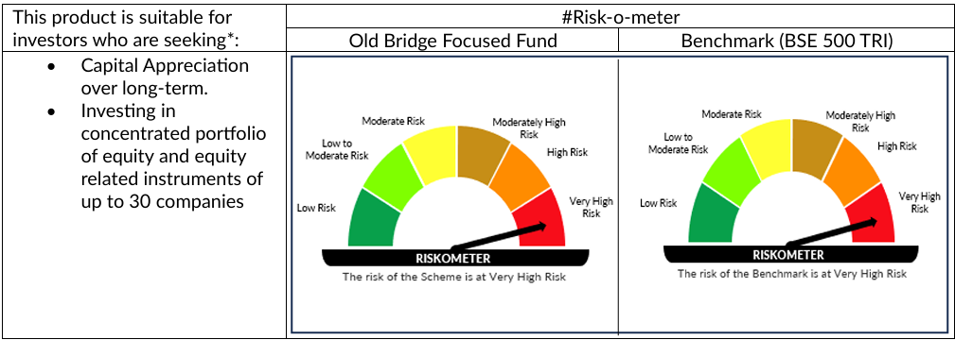

 | # As on July 31, 2026. For latest riskometer, investors may refer to the Monthly Portfolios disclosed on the website of the Fund viz. www.oldbridgemf.com
 | *Investors should consult their financial advisers if in doubt about whether the product is suitable for them.

Old Bridge Arbitrage Fund
Sr no. | Scheme Name | Open / Close Ended | SEBI Category | SEBI Sub Category | Investment Objective | Scheme Inception Date | Benchmark Name - Tier I | Benchmark Name - Tier II | Additional Benchmark Name | Fund Managers | Exit Load | Lock-in period (if any) | Plans | Options and Facilities | Minimum application amount | Month End AUM (Rs.Crs) ^ | Base Expense Ratio as on month end |  | Scheme Portfolio as on month end | Direct Plan - Growth Option |  |  |  |  | Value of investment of Rs. 10,000@ |  |  |  | Regular Plan - Growth Option |  |  |  |  | Value of investment of Rs. 10,000@
1 | Old Bridge Arbitrage Fund | Open | Hybrid | Arbitrage Fund | To generate income by investing in arbitrage opportunities between cash and derivative segments of the equity markets and by investing the balance in debt and money market instruments. Disclaimer: There is no assurance or guarantee that the objectives of the scheme will be achieved. | November 13, 2025 | NIFTY 50 Arbitrage TRI |  | CRISIL 1 Year T-Bill Index | Mr. Kenneth Andrade (Managing since inception) | * If redeemed/switched out within 7 days from the date of allotment: 0.25% * If redeemed/switched out after 7 days from the date of allotment – Nil | NIL | Regular Plan and Direct Plan | 1) Growth 2) Income Distribution cum Capital Withdrawal (IDCW) Facilities available under IDCW option: a) Payout of Income Distribution cum Capital Withdrawal (IDCW) Facility b) Reinvestment of Income Distribution cum Capital Withdrawal (IDCW) Facility | Fresh Purchase (Incl. Switch-in): Minimum of Rs. 5000/- and in multiple of Rs. 1/- Additional application amount (Incl. Switch-in): Minimum of Rs. 1000/- and in multiple of Rs. 1/- thereafter. Systematic Investment Plan (SIP): Minimum Rs. 2500/- and in multiple of Rs. 1/- thereafter Minimum instalments: 6 | 234.62 | Direct Plan | Regular Plan | https://oldbridgemf.com/uploads/Old_Bridge_Arbitrage_Fund_Portfolio_July_26_fef858ffff.xls | Period | Scheme Returns(%)* | Tier 1 - Benchmark * Returns (%) | Tier 2 - Benchmark ** Returns (%) | Additional Benchmark *** Returns (%) | Scheme (Rs.) | Tier 1 - Benchmark # Returns (Rs.) | Tier 2 - Benchmark ## Returns (Rs.) | Additional Benchmark ### Returns (Rs.) | Period | Scheme Returns (%)* | Tier 1 - Benchmark # Returns (%) | Tier 2 - Benchmark ## Returns (%) | Additional Benchmark ### Returns (%) | Scheme (Rs.) | Tier 1 - Benchmark # Returns (Rs.) | Tier 2 - Benchmark ## Returns (Rs.) | Additional Benchmark ### Returns (Rs.)
 |  |  |  |  |  |  |  |  |  |  |  |  |  |  |  |  | 0.12% | 0.84% |  | Last 1 Year | - | - | - | - | - | - | - | - | Last 1 Year | - | - | - | - | - | - | - | -
 |  |  |  |  |  |  |  |  |  |  |  |  |  |  |  |  |  |  |  | Since Inception | - | - | - | - | - | - | - | - | Since Inception | - | - | - | - | - | - | - | -

 | *Since the scheme has completed 6 months but not 1 year performance data is not available

 | Bifurcation of AUM ^^ | AUM in INR (as on July 31, 2026)
 | Top 5 cities | 1,841,099,591.61
 | Next 10 cities | 195,107,570.39
 | Next 20 cities | 81,818,990.09
 | Next 75 cities | 63,851,996.10
 | Others | 164,317,514.15

 | ^ Data as per FA records
 | ^^ Data as per RTA Records
 | # NIFTY 50 Arbitrage TRI
 | @ Point to point returns on a standard investment of Rs. 10,000/-


 | # As on July 31, 2026. For latest riskometer, investors may refer to the Monthly Portfolios disclosed on the website of the Fund viz. www.oldbridgemf.com
 | *Investors should consult their financial advisers if in doubt about whether the product is suitable for them.

Old Bridge Flexi Cap Fund
Sr no. | Scheme Name | Open / Close Ended | SEBI Category | SEBI Sub Category | Investment Objective | Scheme Inception Date | Benchmark Name - Tier I | Benchmark Name - Tier II | Additional Benchmark Name | Fund Managers | Exit Load | Lock-in period (if any) | Plans | Options and Facilities | Minimum application amount | Month End AUM (Rs.Crs) ^ | Base Expense Ratio as on month end |  | Scheme Portfolio as on month end | Direct Plan - Growth Option |  |  |  |  | Value of investment of Rs. 10,000@ |  |  |  | Regular Plan - Growth Option |  |  |  |  | Value of investment of Rs. 10,000@
1 | Old Bridge Flexi Cap Fund | Open | Equity | Flexi Cap Fund | To generate long term capital appreciation by investing predominantly in equity and equity related instruments across market capitalization. Disclaimer: There is no assurance or guarantee that the objectives of the scheme will be achieved. | March 04, 2026 | BSE 500 TRI |  |  | Mr. Kenneth Andrade (Managing since inception) | * If redeemed/switched out within 365 days from the date of allotment- 1% * If redeemed/switched out after 365 days from the date of allotment- NIL | NIL | Regular Plan and Direct Plan | 1) Growth 2) Income Distribution cum Capital Withdrawal (IDCW) Facilities available under IDCW option: a) Payout of Income Distribution cum Capital Withdrawal (IDCW) Facility b) Reinvestment of Income Distribution cum Capital Withdrawal (IDCW) Facility | Fresh Purchase (Incl. Switch-in): Minimum of Rs. 5000/- and in multiple of Rs. 1/- Additional application amount (Incl. Switch-in): Minimum of Rs. 1000/- and in multiple of Rs. 1/- thereafter. Systematic Investment Plan (SIP): Minimum Rs. 1000/- and in multiple of Rs. 1/- thereafter Minimum instalments: 6 | 257.93 | Direct Plan | Regular Plan | https://oldbridgemf.com/uploads/Old_Bridge_Flexi_Cap_Fund_Portfolio_July_26_ca0b230896.xlsx | Period | Scheme Returns(%)* | Tier 1 - Benchmark * Returns (%) | Tier 2 - Benchmark ** Returns (%) | Additional Benchmark *** Returns (%) | Scheme (Rs.) | Tier 1 - Benchmark # Returns (Rs.) | Tier 2 - Benchmark ## Returns (Rs.) | Additional Benchmark ### Returns (Rs.) | Period | Scheme Returns (%)* | Tier 1 - Benchmark # Returns (%) | Tier 2 - Benchmark ## Returns (%) | Additional Benchmark ### Returns (%) | Scheme (Rs.) | Tier 1 - Benchmark # Returns (Rs.) | Tier 2 - Benchmark ## Returns (Rs.) | Additional Benchmark ### Returns (Rs.)
 |  |  |  |  |  |  |  |  |  |  |  |  |  |  |  |  | 0.83% | 2.10% |  | Last 1 Year | - | - | - | - | - | - | - | - | Last 1 Year | - | - | - | - | - | - | - | -
 |  |  |  |  |  |  |  |  |  |  |  |  |  |  |  |  |  |  |  | Since Inception | - | - | - | - | - | - | - | - | Since Inception | - | - | - | - | - | - | - | -

 | *Since the scheme has not completed 6 months performance data is not available

 | Bifurcation of AUM ^^ | AUM in INR (as on July 31, 2026)
 | Top 5 cities | 1,862,706,434.64
 | Next 10 cities | 256,284,295.16
 | Next 20 cities | 127,880,880.09
 | Next 75 cities | 127,975,807.74
 | Others | 204,459,500.69

 | ^ Data as per FA records
 | ^^ Data as per RTA Records
 | # BSE 500 TRI
 | @ Point to point returns on a standard investment of Rs. 10,000/-

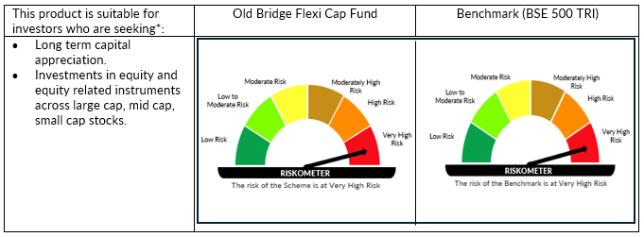

 | # As on July 31, 2026. For latest riskometer, investors may refer to the Monthly Portfolios disclosed on the website of the Fund viz. www.oldbridgemf.com
 | *Investors should consult their financial advisers if in doubt about whether the product is suitable for them.

