Focused
31-Aug-2026

Old Bridge Focused Fund

 |  |  |  | Value of Investment of Rs.10,000
Period | Fund Returns (%) | Benchmark Returns (%) | Additional Benchmark Returns (%) | Fund (Rs) | Benchmark (Rs) | Additional Benchmark (Rs)

Old Bridge Focused Fund - Regular - Growth
Last 1 Year | 20.37% | 4.69% | -0.35% | 12,049 | 10,472 | 9,965
Since Inception | 13.05% | 8.14% | 5.86% | 13,760 | 12,260 | 11,598
Old Bridge Focused Fund - Direct - Growth
Last 1 Year | 21.66% | 4.69% | -0.35% | 12,179 | 10,472 | 9,965
Since Inception | 14.24% | 8.14% | 5.86% | 14,140 | 12,260 | 11,598

Past performance may or may not be sustained in future. Different Plans i.e. Regular Plan and Direct Plan under the scheme have different expense structure. Benchmark: BSE 500 (Total Returns Index) Additional Benchmark: NIFTY 50 (Total Returns Index) Inception Date: 24th January 2024 Returns greater than 1 year are basis compound Annual Growth Rate (CAGR). Face Value per unit: Rs. 10. The scheme is managed by Mr. Kenneth Andrade and Tarang Agrawal since inception.
RISKOMETER
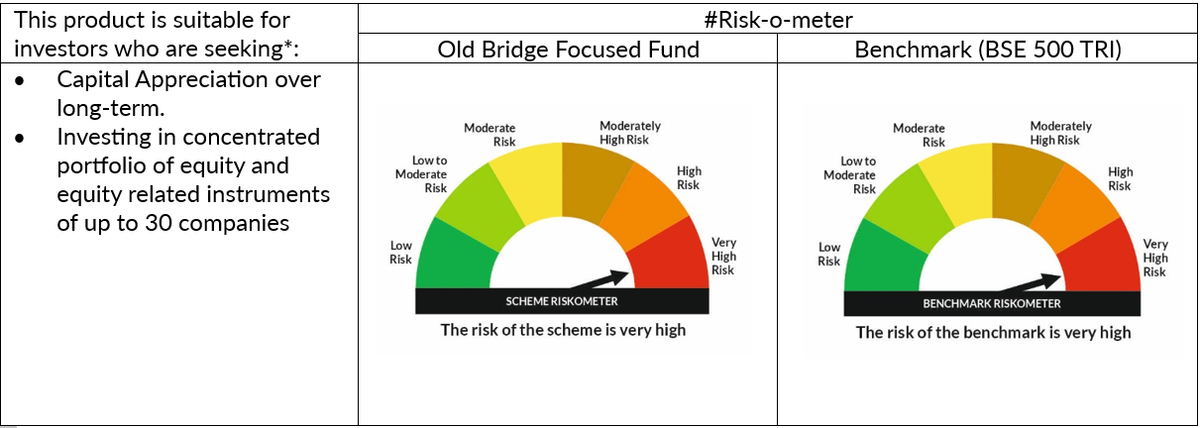

# For latest riskometer, investors may refer to the Monthly Portfolios disclosed on the website of the Fund viz. www.oldbridgemf.com
*Investors should consult their financial advisers if in doubt about whether the product is suitable for them

Arbitrage
31-Aug-2026

Old Bridge Arbitrage Fund

 |  |  |  | Value of Investment of Rs.10,000
Period | Fund Returns (%) | Benchmark Returns (%) | Additional Benchmark Returns (%) | Fund (Rs) | Benchmark (Rs) | Additional Benchmark (Rs)

Old Bridge Arbitrage Fund - Regular Plan - Growth
Last 6 months | 5.75% | 6.23% | 4.12% | 10,291 | 10,316 | 10,209
Since Inception | 5.86% | 6.87% | 4.14% | 10,467 | 10,547 | 10,330
Old Bridge Arbitrage Fund - Direct Plan - Growth
Last 6 months | 6.62% | 6.23% | 4.12% | 10,336 | 10,316 | 10,209
Since Inception | 6.75% | 6.87% | 4.14% | 10,539 | 10,547 | 10,330

Past performance may or may not be sustained in future. Different Plans i.e. Regular Plan and Direct Plan under the scheme have different expense structure. Benchmark: Nifty 50 Arbitrage (Total Returns Index) Additional Benchmark: CRISIL 1 Year T-Bill Index Inception Date: 13th November 2025 Returns less than 1 year are basis Simple Annualised. Face Value per unit: Rs. 10. The scheme is managed by Mr. Kenneth Andrade since inception.
RISKOMETER

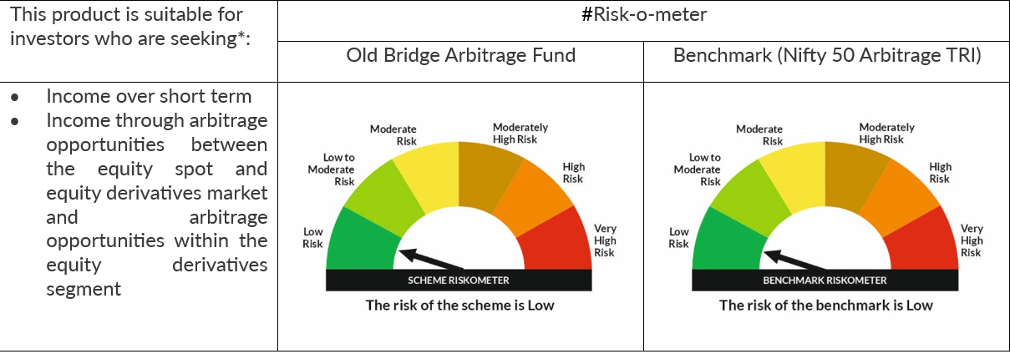

# For latest riskometer, investors may refer to the Monthly Portfolios disclosed on the website of the Fund viz. www.oldbridgemf.com
*Investors should consult their financial advisers if in doubt about whether the product is suitable for them

