Focused
30-Jun-2026

Old Bridge Focused Fund

 |  |  |  | Value of Investment of Rs.10,000
Period | Fund Returns (%) | Benchmark Returns (%) | Additional Benchmark Returns (%) | Fund (Rs) | Benchmark (Rs) | Additional Benchmark (Rs)

Old Bridge Focused Fund - Regular - Growth
Last 1 Year | 7.61% | -1.96% | -5.42% | 10,761 | 9,804 | 9,458
Since Inception | 11.91% | 7.81% | 5.76% | 13,150 | 12,008 | 11,460
Old Bridge Focused Fund - Direct - Growth
Last 1 Year | 8.79% | -1.96% | -5.42% | 10,879 | 9,804 | 9,458
Since Inception | 13.09% | 7.81% | 5.76% | 13,490 | 12,008 | 11,460

Past performance may or may not be sustained in future. Different Plans i.e. Regular Plan and Direct Plan under the scheme have different expense structure. Benchmark: BSE 500 (Total Returns Index) Additional Benchmark: NIFTY 50 (Total Returns Index) Inception Date: 24th January 2024 Returns greater than 1 year are basis compound Annual Growth Rate (CAGR). Face Value per unit: Rs. 10. The scheme is managed by Mr. Kenneth Andrade and Tarang Agrawal since inception.

RISKOMETER
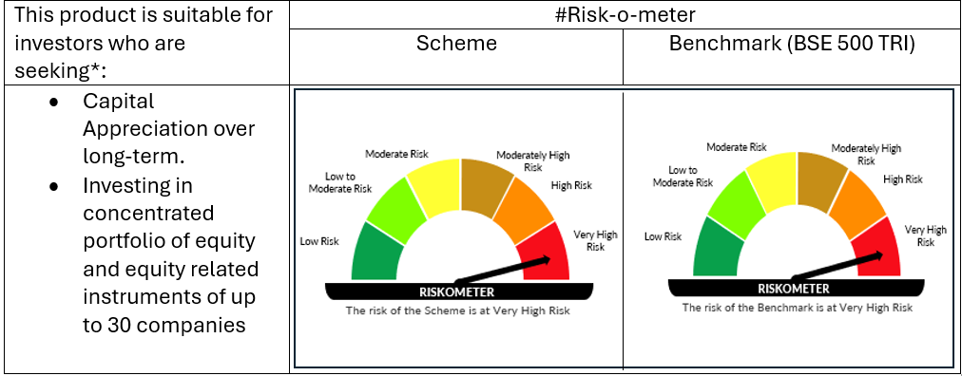

# For latest riskometer, investors may refer to the Monthly Portfolios disclosed on the website of the Fund viz. www.oldbridgemf.com
*Investors should consult their financial advisers if in doubt about whether the product is suitable for them

