OBFCE
OBFCE | Old Bridge Mutual Fund
 | Monthly Portfolio Statement as on August 31, 2026
 | Old Bridge Focused Fund

 | Name of the Instrument | ISIN | Industry* | Quantity | Market/Fair Value (Rs. in Lakhs) | % to Net Assets | YTM
 | Equity & Equity related
 | (a) Listed / awaiting listing on Stock Exchanges
SHTR02 | Shriram Finance Limited | INE721A01047 | Finance | 2,899,738 | 32,184.19 | 7.39
REIN02 | Redington Limited | INE891D01026 | Commercial Services & Supplies | 7,770,500 | 27,798.96 | 6.38
AUPH03 | Aurobindo Pharma Limited | INE406A01037 | Pharmaceuticals & Biotechnology | 1,513,765 | 25,991.35 | 5.97
MAUD01 | Maruti Suzuki India Limited | INE585B01010 | Automobiles | 164,604 | 22,298.90 | 5.12
BTVL02 | Bharti Airtel Limited | INE397D01024 | Telecom - Services | 1,170,000 | 21,199.23 | 4.87
RAFO02 | Ramkrishna Forgings Limited | INE399G01023 | Auto Components | 2,809,000 | 20,887.72 | 4.80
PREP01 | Prestige Estates Projects Limited | INE811K01011 | Realty | 1,163,937 | 19,007.09 | 4.37
HZIN02 | Hindustan Zinc Limited | INE267A01025 | Non - Ferrous Metals | 3,156,000 | 18,792.40 | 4.32
INAV01 | InterGlobe Aviation Limited | INE646L01027 | Transport Services | 340,541 | 17,823.92 | 4.09
GLLS01 | Alivus Life Sciences Limited | INE03Q201024 | Pharmaceuticals & Biotechnology | 1,219,512 | 17,142.68 | 3.94
TELC03 | Tata Motors Passenger Vehicles Limited | INE155A01022 | Automobiles | 5,483,926 | 16,937.11 | 3.89
RAKH02 | Radico Khaitan Limited | INE944F01028 | Beverages | 376,500 | 16,886.03 | 3.88
JUFL02 | Jubilant Foodworks Limited | INE797F01020 | Leisure Services | 3,396,000 | 16,844.16 | 3.87
ITCL02 | ITC Limited | INE154A01025 | Diversified FMCG | 6,450,000 | 16,479.75 | 3.78
HINI02 | Hindalco Industries Limited | INE038A01020 | Non - Ferrous Metals | 1,562,342 | 15,864.80 | 3.64
TISC03 | Tata Steel Limited | INE081A01020 | Ferrous Metals | 7,911,000 | 14,583.93 | 3.35
UTIB02 | Axis Bank Limited | INE238A01034 | Banks | 1,075,000 | 13,975.00 | 3.21
GRAN02 | Granules India Limited | INE101D01020 | Pharmaceuticals & Biotechnology | 1,650,500 | 13,674.39 | 3.14
BARB01 | United Foodbrands Limited | INE382M01027 | Leisure Services | 1,380,000 | 10,040.88 | 2.31
IEEL02 | Indian Energy Exchange Limited | INE022Q01020 | Capital Markets | 8,093,600 | 9,752.79 | 2.24
ACEQ02 | Action Construction Equipment Limited | INE731H01025 | Agricultural, Commercial & Construction Vehicles | 850,579 | 9,445.68 | 2.17
KAVS02 | Kaveri Seed Company Limited | INE455I01029 | Agricultural Food & other Products | 1,138,500 | 8,715.22 | 2.00
GREA03 | The Great Eastern Shipping Company Limited | INE017A01032 | Transport Services | 576,617 | 7,506.40 | 1.72
MEAH02 | Medi Assist Healthcare Services Limited | INE456Z01021 | Insurance | 1,703,565 | 5,608.14 | 1.29
ANTO01 | Antony Waste Handling Cell Limited | INE01BK01022 | Other Utilities | 662,555 | 2,539.57 | 0.58
 | Sub Total |  |  |  | 401,980.29 | 92.32
 | (b) Unlisted |  |  |  | Nil | Nil | Nil
 | Sub Total |  |  |  | Nil | Nil | Nil
 | Total |  |  |  | 401,980.29 | 92.32
 | Money Market Instruments
 | TREPS / Reverse Repo
TRP_010926 | Triparty Repo |  |  |  | 34,300.00 | 7.88 | 4.66%
 | Sub Total |  |  |  | 34,300.00 | 7.88
 | Total |  |  |  | 34,300.00 | 7.88
 | Net Receivables / (Payables) |  |  |  | (859.41) | (0.20)
 | GRAND TOTAL |  |  |  | 435,420.88 | 100.00

 | YTM - Yield To Maturity
 | * Industry Classification is as recommended by AMFI

 | Notes :
 | (1) The provision made for securities classified as below investment grade or default as of Aug 31, 2026 is Rs.Nil and its percentage to Net Asset Value is Nil.
 | (2) Details of security in default beyond it's maturity date: Nil
 | (3) Plan/ Option wise per unit net asset value are as follows:
 | Plan/ Option | NAV Rs. per unit as on Jul 31 2026 | NAV Rs. per unit as on Aug 31 2026
 | Regular IDCW | 13.42 | 13.76
 | Regular Growth | 13.42 | 13.76
 | Direct IDCW | 13.78 | 14.14
 | Direct Growth | 13.78 | 14.14
 | (4) Portfolio turnover ratio: 0.18
 | (5) Total Value and percentage of illiquid equity shares: Nil
 | (6) Total outstanding exposure in derivative instruments as on Aug 31, 2026: Nil
 | (7) Total investments in Foreign Securities / Overseas ETFs as on Aug 31, 2026 and its percentage to NAV : Nil
 | (8) Investment in Repo of Corporate Debt securities : Nil
 | (9) The Scheme did not declare any Income Distribution cum Capital Withdrawal during the month ended Aug 31, 2026.
 | (10) The Scheme did not declare any bonus during the month ended Aug 31, 2026.
 | (11) Investment in Fixed Deposits - NIL
 | (12) The Face Value per unit is Rs.10
 | (13) IDCW stands for Income Distribution cum Capital Withdrawal

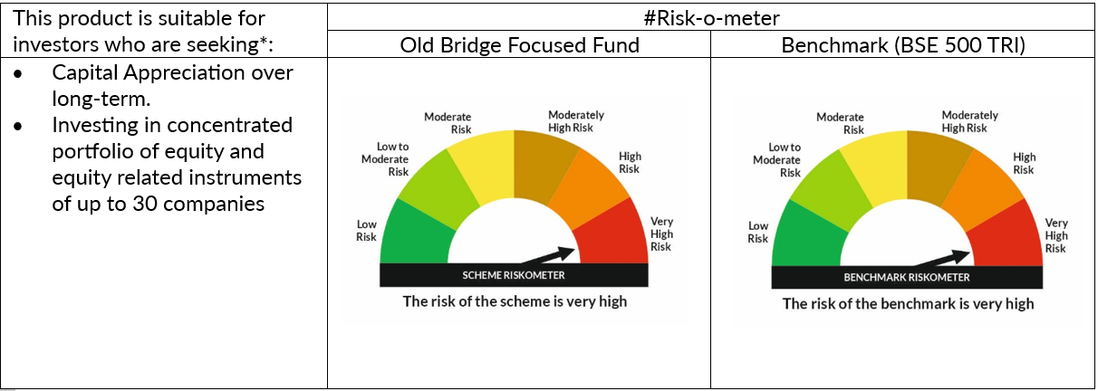

 | # For latest riskometer, investors may refer to the Monthly Portfolios disclosed on the website of the Fund viz. www.oldbridgemf.com
 | *Investors should consult their financial advisers if in doubt about whether the product is suitable for them

