OBFLX
OBFLX | Old Bridge Mutual Fund
 | Monthly Portfolio Statement as on August 31, 2026
 | Old Bridge Flexi Cap Fund

 | Name of the Instrument | ISIN | Industry* | Quantity | Market/Fair Value (Rs. in Lakhs) | % to Net Assets | YTM
 | Equity & Equity related
 | (a) Listed / awaiting listing on Stock Exchanges
INAV01 | InterGlobe Aviation Limited | INE646L01027 | Transport Services | 25,761 | 1,348.33 | 3.40
HINI02 | Hindalco Industries Limited | INE038A01020 | Non - Ferrous Metals | 131,000 | 1,330.24 | 3.35
SHTR02 | Shriram Finance Limited | INE721A01047 | Finance | 119,000 | 1,320.78 | 3.33
STHE01 | Star Health And Allied Insurance Company Limited | INE575P01011 | Insurance | 224,000 | 1,271.76 | 3.20
BALI02 | Balkrishna Industries Limited | INE787D01026 | Auto Components | 55,600 | 1,267.24 | 3.19
AUPH03 | Aurobindo Pharma Limited | INE406A01037 | Pharmaceuticals & Biotechnology | 73,150 | 1,255.99 | 3.16
GAEL03 | Gujarat Ambuja Exports Limited | INE036B01030 | Agricultural Food & other Products | 707,000 | 1,250.82 | 3.15
FEBA02 | The Federal Bank Limited | INE171A01029 | Banks | 345,000 | 1,230.62 | 3.10
IGIP02 | International Gemological Institute Limited | INE0Q9301021 | Commercial Services & Supplies | 355,000 | 1,210.37 | 3.05
GLPH03 | Glenmark Pharmaceuticals Limited | INE935A01035 | Pharmaceuticals & Biotechnology | 48,000 | 1,190.40 | 3.00
CHEL02 | Zydus Lifesciences Limited | INE010B01027 | Pharmaceuticals & Biotechnology | 102,030 | 1,184.87 | 2.98
MAHI02 | Mahindra & Mahindra Limited | INE101A01026 | Automobiles | 36,000 | 1,181.52 | 2.98
MAFS02 | Mahindra & Mahindra Financial Services Limited | INE774D01024 | Finance | 312,000 | 1,163.76 | 2.93
RATN01 | RBL Bank Limited | INE976G01028 | Banks | 303,000 | 1,152.46 | 2.90
NAGF02 | NCC Limited | INE868B01028 | Construction | 765,000 | 1,135.03 | 2.86
REIN02 | Redington Limited | INE891D01026 | Commercial Services & Supplies | 300,000 | 1,073.25 | 2.70
BALC02 | Balrampur Chini Mills Limited | INE119A01028 | Agricultural Food & other Products | 152,000 | 1,054.12 | 2.66
ACSO01 | Acme Solar Holdings Ltd | INE622W01025 | Power | 257,500 | 1,035.02 | 2.61
UBBL02 | United Breweries Limited | INE686F01025 | Beverages | 79,000 | 1,033.72 | 2.60
MASP02 | Vardhman Textiles Limited | INE825A01020 | Textiles & Apparels | 178,862 | 1,023.18 | 2.58
JUFL02 | Jubilant Foodworks Limited | INE797F01020 | Leisure Services | 203,000 | 1,006.88 | 2.54
LARS02 | Larsen & Toubro Limited | INE018A01030 | Construction | 24,400 | 986.96 | 2.49
TELC03 | Tata Motors Passenger Vehicles Limited | INE155A01022 | Automobiles | 315,000 | 972.88 | 2.45
AKDP01 | Akums Drugs and Pharmaceuticals Limited | INE09XN01023 | Pharmaceuticals & Biotechnology | 112,000 | 869.90 | 2.19
AVSP01 | Avenue Supermarts Limited | INE192R01011 | Retailing | 21,200 | 826.80 | 2.08
ESSP02 | EPL Limited | INE255A01020 | Industrial Products | 315,000 | 825.49 | 2.08
ACEQ02 | Action Construction Equipment Limited | INE731H01025 | Agricultural, Commercial & Construction Vehicles | 74,000 | 821.77 | 2.07
DLFL01 | DLF Limited | INE271C01023 | Realty | 117,500 | 811.98 | 2.05
JUIL01 | Jubilant Ingrevia Limited | INE0BY001018 | Chemicals & Petrochemicals | 120,000 | 809.88 | 2.04
GODI01 | Go Digit General Insurance Ltd | INE03JT01014 | Insurance | 313,000 | 805.66 | 2.03
YATR01 | Yatra Online Limited | INE0JR601024 | Leisure Services | 754,731 | 803.18 | 2.02
TISC03 | Tata Steel Limited | INE081A01020 | Ferrous Metals | 432,000 | 796.39 | 2.01
TASC02 | Marksans Pharma Limited | INE750C01026 | Pharmaceuticals & Biotechnology | 245,000 | 787.92 | 1.98
SSNL02 | Delhivery Limited | INE148O01028 | Transport Services | 171,000 | 780.10 | 1.97
DEFE01 | Deepak Fertilizers and Petrochemicals Corporation Limited | INE501A01019 | Chemicals & Petrochemicals | 55,000 | 773.85 | 1.95
 | Sub Total |  |  |  | 36,393.12 | 91.68
 | (b) Unlisted |  |  |  | Nil | Nil | Nil
 | Sub Total |  |  |  | Nil | Nil | Nil
 | Total |  |  |  | 36,393.12 | 91.68
 | Money Market Instruments
 | TREPS / Reverse Repo
TRP_010926 | Triparty Repo |  |  |  | 3,870.00 | 9.75 | 4.66%
 | Sub Total |  |  |  | 3,870.00 | 9.75
 | Total |  |  |  | 3,870.00 | 9.75
 | Net Receivables / (Payables) |  |  |  | (566.01) | (1.43)
 | GRAND TOTAL |  |  |  | 39,697.11 | 100.00

 | YTM - Yield To Maturity
 | * Industry Classification is as recommended by AMFI

 | Notes :
 | (1) The provision made for securities classified as below investment grade or default as of Aug 31, 2026 is Rs.Nil and its percentage to Net Asset Value is Nil.
 | (2) Details of security in default beyond it's maturity date: Nil
 | (3) Plan/ Option wise per unit net asset value are as follows:
 | Plan/ Option | NAV Rs. per unit as on Jul 31 2026 | NAV Rs. per unit as on Aug 31 2026
 | Regular IDCW | 11.18 | 11.49
 | Regular Growth | 11.18 | 11.49
 | Direct IDCW | 11.25 | 11.41
 | Direct Growth | 11.25 | 11.41
 | (4) Portfolio turnover ratio:N.A
 | (5) Total Value and percentage of illiquid equity shares: Nil
 | (6) Total outstanding exposure in derivative instruments as on April 30, 2026: Nil
 | (7) Total investments in Foreign Securities / Overseas ETFs as on Aug 31, 2026 and its percentage to NAV : Nil
 | (8) Investment in Repo of Corporate Debt securities : Nil
 | (9) The Scheme did not declare any Income Distribution cum Capital Withdrawal during the month ended Aug 31, 2026.
 | (10) The Scheme did not declare any bonus during the month ended Aug 31, 2026.
 | (11) Investment in Fixed Deposits - NIL
 | (12) The Face Value per unit is Rs.10
 | (13) IDCW stands for Income Distribution cum Capital Withdrawal

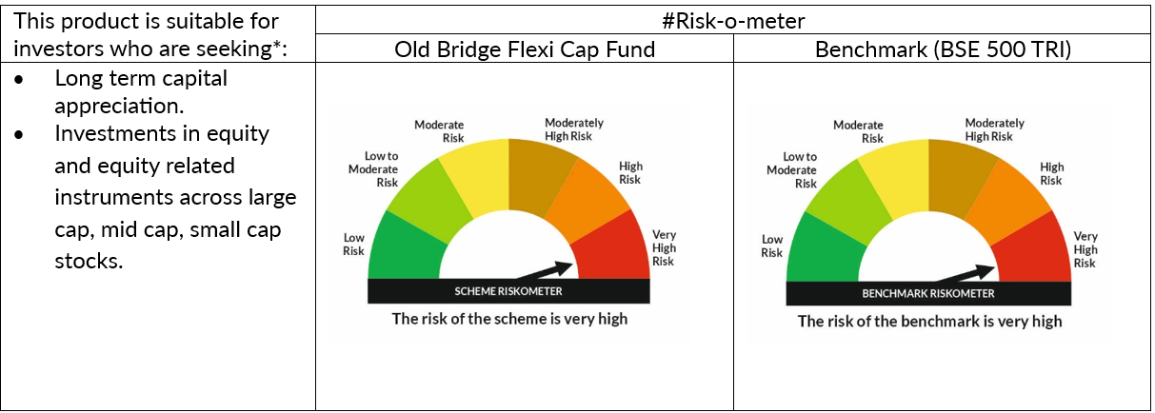

 | # For latest riskometer, investors may refer to the Monthly Portfolios disclosed on the website of the Fund viz. www.oldbridgemf.com
 | *Investors should consult their financial advisers if in doubt about whether the product is suitable for them

